Elbow plot
Encoding, Normalization and Elbow Plot
1. Encoding Used for Categorical data.

 | 1. One Hot Encoding

 |  | Channel, Tier Name, Transaction Type, RFM Level.

 | 2. Label Encoding

 |  | Frequency

2. Normalization technique used

 | StandardScalar of Sk Learn Library is used. Also tried other Scalars but Standard Scalar gives the best result.
 |  | Standarised Variables:- Recency, Monetary Value, Discount, RFM Score

3. Finding optimal no of clusters.

 | Elbow Graph plot.

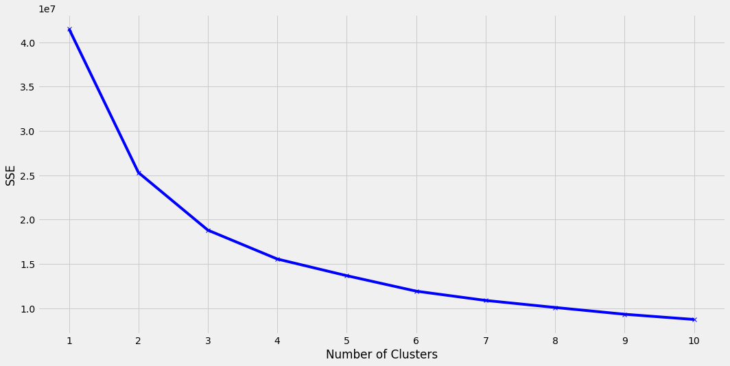

 | Optimal no of Clusters= 4.

